PRE BOY-YB
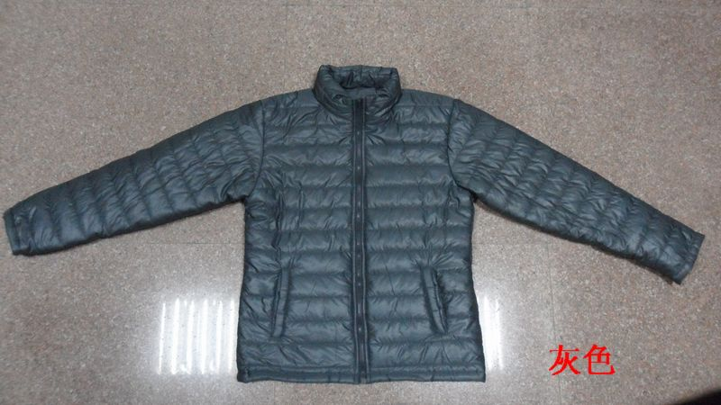
GREY
JACKET IN- STOCK
Description | Women Padded Jacket for Winter
Style NO. | # 1207
Shell Fabric | 100% Polyester 50d ,oil shiny coating
Lining | 100% Polyester 210T
Filler | Polyfill, |  |  | 120 | G/M²
 | Quantity List
COLOR / SIZE | XS | S | M | L | PCS/Color
BLACK | 264 | 528 | 528 | 264 | 1584
COFFEE | 272 | 544 | 544 | 272 | 1632
GREY | 220 | 440 | 440 | 220 | 1320
ARMY GREEN | 323 | 646 | 646 | 323 | 1938

Total Quantity : 6474 PCS
UNIT PRICE : US$ 6.50 FOB(XIAMEN)
We will charge 0.30$ more if you want to change labels&tags.
ARMY GREEN
Packing List | Ratio |  |  |  | PCS
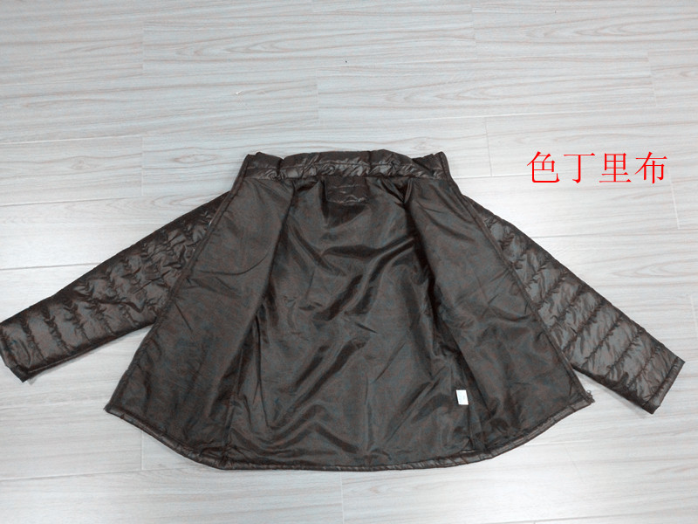
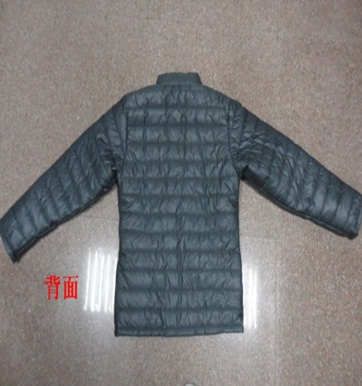
COLOR / SIZE | XS | S | M | L | per CTN
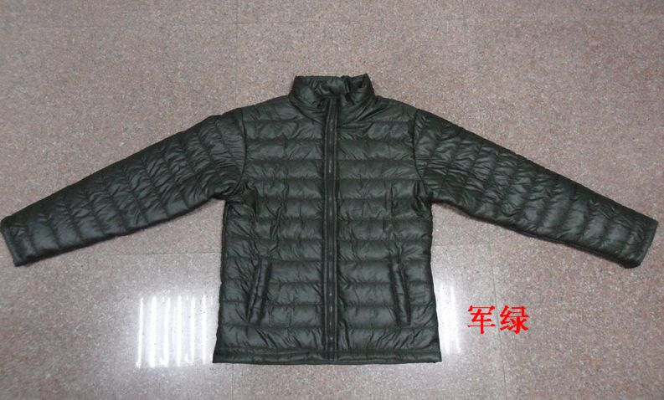
SOLID COLOR | 4 | 8 | 8 | 4 | 24

BLACK | 66 | CTNS | 5.84 | CBM | TOTAL
COFFEE | 68 | CTNS | 6.02 | CBM | 23.89
GREY | 55 | CTNS | 4.87 | CBM
ARMY GREEN | 81 | CTNS | 7.15 | CBM | CBM
TOTAL : | 270 | CTNS
G/W:16.0KGS | Total G.W: |  | 4316.0KGS
BLACK
N/W:14.0KGS | MEAS: | 55 X | 35 X | 46 CM

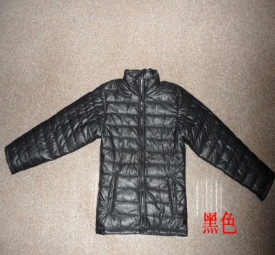
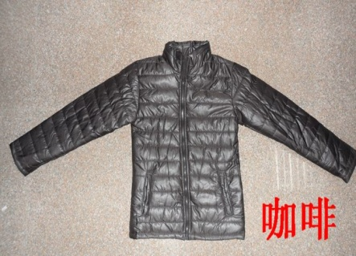
COFFEE
SIZE SPEC | XS | S | M | L
1/2 Chest | 46 | 48.5 | 51 | 53.5 | CM
Length fm.HSP | 62.5 | 65 | 67.5 | 70 | CM
Sleeve Length | 60 | 61.5 | 62 | 63 | CM

